Sheet1
 | Infinity Truss & Stage Co., Limited
Addr: F1,Blg.A3,Gaopu Industrial Areas, Jiaoxin,Shijing,Guangzhou,51000,China
Frm : Lynda Chen |  |  | www.itsctrus.com;
T:+86 20 36263661 |  |  | FB: www.facebook.com/itsctruss
M:+86 186 6570 2368 |  |  | Skype:lyndachen1894
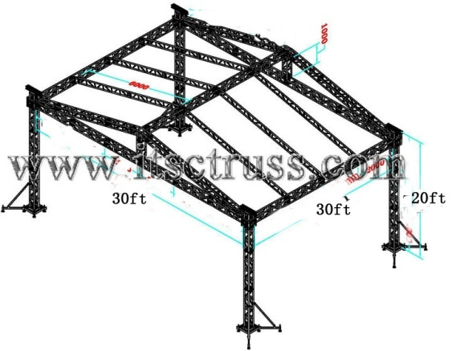
F:+86 20 3626 1690 |  |  | E: itsctruss@gmail.com
QUOTATION
Order No.: Lyn20141013 |  |  | Date:2014-03-13
TO: |  |  | Price Term: EX-WORKS PRICE
ATTN: |  |  | Valid: 20days
W: ; |  |  | M: ; E:
Add:
30x30x20ft roofing
Photo | Part No. | Item | Speci. | Qty | Unite | Unit Price($) | Total Aount($) | Vlolume(cbm)
 | ITSC-BS30 | Square truss | Cross truss-Pillars-300*300mm;Main tube50x3mm, Sub-main tube30x2mm, bracing 25x2mm, square trusses, bolted; | 36 | m | 50.00 | 1,800.00 | 3.69
 | ITSC-BS30 |  |  | 20 | m | 50.00 | 1,000.00 | 2.05
 | ITSC-BS30 |  | Roofing-Cross truss, 300*300mm;Main tube50x3mm, Sub-main tube30x2mm, bracing 25x2mm, square trusses, bolted; | 10 | m | 50.00 | 500.00 | 1.02
 | ITSC-BS30 |  | Roofing-Pillar truss, 300*300mm;Main tube50x3mm, Sub-main tube30x2mm, bracing 25x2mm, square trusses, bolted; | 2 | m | 50.00 | 100.00 | 0.20
 | ITSC-BS30 |  | Roofing-sloped truss, 300*300mm;Main tube50x3mm, Sub-main tube30x2mm, bracing 25x2mm, square trusses, bolted; | 12 | m | 50.00 | 600.00 | 1.23
 | ITSC-SJ10 | Aluminbum plates | Roofing-connectors for roofing pillar and cross truss | 2 | pcs | 100.00 | 200.00 | 0.20
 | ITSC-SJ14 | sloped connectors | Roofing-sloped connectos, 300*300mm;Main tube50x3mm, Sub-main tube30x2mm, bracing 25x2mm, square trusses, bolted; | 4 | pcs | 100.00 | 400.00 | 0.54
 | ITSC-SJ13 | 3-way cornector | Roofing-3way connector, 300*300mm;Main tube50x3mm, Sub-main tube30x2mm, bracing 25x2mm, square trusses, bolted; | 2 | pcs | 125.00 | 250.00 | 0.58
 | ITSC-BL30 | Ladder truss | Roofing;Sloped , bolt tubes, 50x3mm thick | 24 | m | 25.00 | 600.00 | 1.00
 | ITSC-A03 | Simgle clamp | Roofing; aluminum, SVWL500kg | 8 | pcs | 10.00 | 80.00 | 0.01
 | ITSC-A04 | duble clamp, | Roofing;aluminum, SVWL500kg | 16 | pcs | 13.11 | 209.76 | 0.01
 | ITSC-A12 | PVC | Roofing; cover, blue | 90 | m2 | 8.50 | 765.00 | 1.00
 | ITSC-SJ01 | Top section | Tower:, steel, galvanized. 5mm thick steel | 4 | pcs | 50.00 | 200.00 | 0.64
 | ITSC-SJ02 | Manual hoist, | Tower:(2 tons), galvanized, chain 8m in length | 4 | pcs | 110.00 | 440.00 | 0.07
 | ITSC-SJ03 | Firbre sling | Tower: 2 tons, 3meters | 4 | pcs | 8.50 | 34.00 | 0.10
 | ITSC-SJ04 | Sleeve block | Tower-, aluminum. | 4 | pcs | 133.33 | 533.32 | 1.57
 | ITSC-SJ05 | Hinge secction | Tower- | 4 | pcs | 133.33 | 533.32 | 0.01
 | ITSC-SJ06 | Outrigger | Tower- | 16 | pcs | 50.00 | 800.00 | 0.86
 | ITSC-SJ07 | Steel base | Tower-, galvanized | 4 | pcs | 100.00 | 400.00 | 0.67
Amount: |  |  |  |  |  |  | 9445.40 | 15.46
Note: Aluinium 6061-T6, main tube: 50*3mm thickness
1. this quote is valid within 20 days.
2.price term is EX-WORKS.
3.Payment: 100% deposit before produce( total amount belowed 5000USD)
50% deposit before produce by T/T, 50% balance before delivery by T/T.
4. The delivery time would be within 10 days after payment is confirmed
5. Bank information: Please pay by the account information, and pay the bank fees for both sides:

Beneficiary: Infinity Truss & Stage Co.,Limited
Account number: 819-604026-838
Beneficiary Bank Name: HSBC Hong Kong
Beneficiary Bank Address: 1 Queen's Road Central, Hong Kong
SWIFT Address: HSBCHKHHHKH

